CU3
Cumberland (20:50:30 Bond)

 |  |  | Enter total WALL AREA* (SQFT): | 200
 |  |  | Enter waste allowance (%): | 0
 |  |  | Total (sqft): | 200

 | PRODUCT | CUM35 | CUM75 | CUM115
 | BOND | 20% | 50% | 30% | 100%
 | PCS REQ'D | 60 | 75 | 30 |  | NOTE: One PC is based on a 23-5/8" length and may be comprised of 2 or more individual stones.
 | PCS / SKID | 95 | 40 | 26
 | PCS / LAYER | 10.6 | 10 | 8.7
 | # SKIDS | 0 | 2 | 1
 | # LAYERS | 6 | 0 | 1
 | # PCS | 63 | 80 | 35
 | WEIGHT / SKID | 2,413 | 2,292 | 2,340
 | WEIGHT / PC | 25.4 | 57.3 | 90.0

 | Note: If Building Stone products are to be ordered outside of their standard bond ratios, special pricing may apply.
 | Please consult with your Arriscraft Sales Representative.
 |  | This combination of skids is equivalent to | 219 | square feet of Cumberland Building Stone.
 |  | Mason will require approximately | 6 | 70lb. (30kg) bags of mortar mix**.
 | ** Rough estimate only. Will vary with sand, mortar composition, waste, joint finish and workmanship.
 |  | The total weight for this order is | 9,334 | lbs.

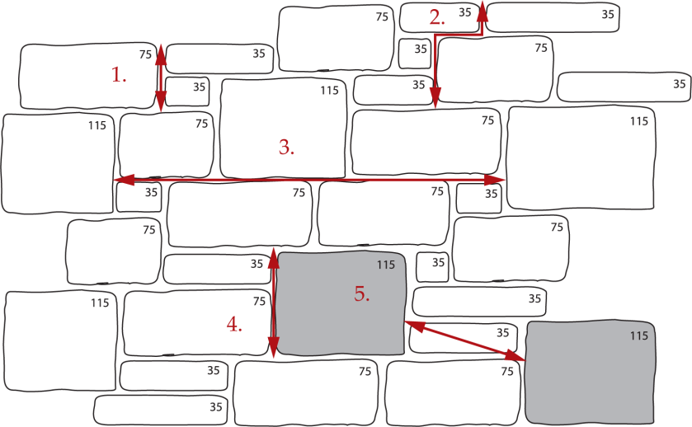

 |  |  |  |  |  |  | 1.800.265.8123

 |  |  |  |  |  |  | Links to Additional Information:
 |  |  |  |  |  |  | Mason's Instructions - English
 |  |  |  |  |  |  | Mason's Instructions - Spanish
 |  |  |  |  |  |  | Basic Arriscraft.CARE
 |  |  |  |  |  |  | Cuidado Basico de Arriscraft
 |  |  |  |  |  |  | www.arriscraft.com
 |  |  |  |  |  |  | ^ Internet connection required.

 | Project Notes:

GC3
Georgia Citadel® - 3 Unit (25:50:25 Bond)

 |  |  | Enter total WALL AREA* (SQFT): | 200
 |  |  | Enter waste allowance (%): | 0
 |  |  | Total (sqft): | 200

 | PRODUCT | GC23 | GC52 | GC81
 | BOND | 25% | 50% | 25% | 100%
 | PCS REQ'D | 104 | 104 | 34 |  | NOTE: One PC is based on a 23-5/8" length and may be comprised of 2 or more individual stones.
 | PCS / SKID | 156 | 63 | 40
 | PCS / LAYER | 12 | 10.5 | 10
 | # SKIDS | 0 | 1 | 1
 | # LAYERS | 9 | 4 | 0
 | # PCS | 108 | 105 | 40
 | WEIGHT / SKID | 2,643 | 2,577 | 2,396
 | WEIGHT / PC | 16.94 | 40.9 | 59.9

 | Note: If Building Stone products are to be ordered outside of their standard bond ratios, special pricing may apply.
 | Please consult with your Arriscraft Sales Representative.
 |  | This combination of skids is equivalent to | 211 | square feet of Georgia Citadel® Building Stone.
 |  | Mason will require approximately | 7 | 70lb. (30kg) bags of mortar mix**.
 | ** Rough estimate only. Will vary with sand, mortar composition, waste, joint finish and workmanship.
 |  | The total weight for this order is | 8,520 | lbs.
NOTE: When the GC35 size is omitted from the wall, the overall range of color may be changed.
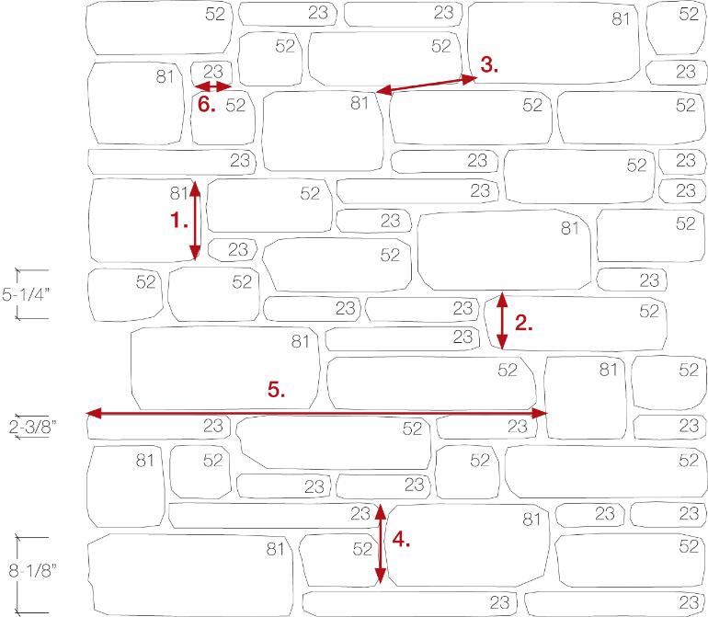

 |  |  |  |  |  |  | 1.800.265.8123

 |  |  |  |  |  |  | Links to Additional Information:
 |  |  |  |  |  |  | Mason's Instructions - English

 |  |  |  |  |  |  | Basic Arriscraft.CARE
 |  |  |  |  |  |  | Cuidado Basico de Arriscraft
 |  |  |  |  |  |  | www.arriscraft.com
 |  |  |  |  |  |  | ^ Internet connection required.

 | Project Notes:

GC4
Georgia Citadel® - 4 Unit (20:20:40:20 Bond)

 |  |  | Enter total WALL AREA* (SQFT): | 200
 |  |  | Enter waste allowance (%): | 0
 |  |  | Total (sqft): | 200

 | PRODUCT | GC23 | GC35 | GC52 | GC81
 | BOND | 20% | 20% | 40% | 20% | 100%
 | PCS REQ'D | 83 | 58 | 83 | 28 | NOTE: One PC is based on a 23-5/8" length and may be comprised of 2 or more individual stones.
 | PCS / SKID | 156 | 95 | 63 | 40
 | PCS / LAYER | 12 | 10.6 | 10.5 | 10
 | # SKIDS | 0 | 0 | 1 | 0
 | # LAYERS | 7 | 6 | 2 | 3
 | # PCS | 84 | 63 | 84 | 30
 | WEIGHT / SKID | 2,643 | 2,518 | 2,577 | 2,396
 | WEIGHT / PC | 16.94 | 26.5 | 40.9 | 59.9

 | Note: If Building Stone products are to be ordered outside of their standard bond ratios, special pricing may apply.
 | Please consult with your Arriscraft Sales Representative.
 |  | This combination of skids is equivalent to | 208 | square feet of Georgia Citadel® Building Stone.
 |  | Mason will require approximately | 7 | 70lb. (30kg) bags of mortar mix**.
 | ** Rough estimate only. Will vary with sand, mortar composition, waste, joint finish and workmanship.
 |  | The total weight for this order is | 8,325 | lbs.

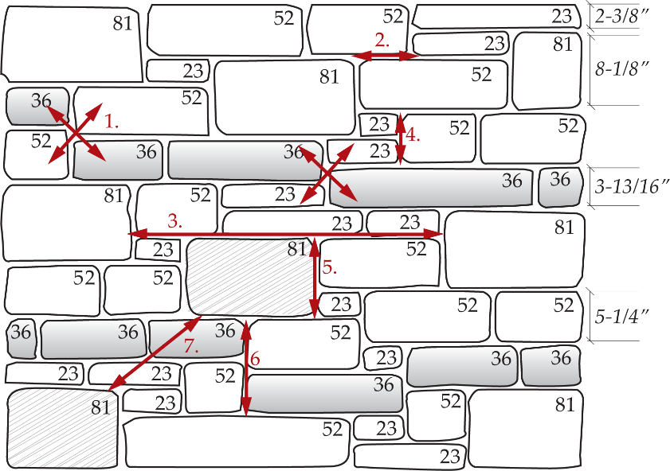

 |  |  |  |  |  |  | 1.800.265.8123

 |  |  |  |  |  |  | Links to Additional Information:
 |  |  |  |  |  |  | Mason's Instructions - English

 |  |  |  |  |  |  | Basic Arriscraft.CARE
 |  |  |  |  |  |  | Cuidado Basico de Arriscraft
 |  |  |  |  |  |  | www.arriscraft.com
 |  |  |  |  |  |  | ^ Internet connection required.

 | Project Notes:

MH2
Matterhorn (75:25 Bond)

 |  |  | Enter total WALL AREA* (SQFT): | 200
 |  |  | Enter waste allowance (%): | 0
 |  |  | Total (sqft): | 200

 | PRODUCT | MAT50 | MAT102
 | BOND | 75% | 25% | 100%
 | PCS REQ'D | 169 | 28 |  | NOTE: One PC is based on a 23-5/8" length and may be comprised of 2 or more individual stones.
 | PCS / SKID | 84 | 39
 | PCS / LAYER | 12 | 13
 | # SKIDS | 2 | 1
 | # LAYERS | 1 | 0
 | # PCS | 180 | 39
 | WEIGHT / SKID | 2,325 | 2,470
 | WEIGHT / PC | 27.68 | 63.33

 | Note: If Building Stone products are to be ordered outside of their standard bond ratios, special pricing may apply.
 | Please consult with your Arriscraft Sales Representative.
 |  | This combination of skids is equivalent to | 230 | square feet of Matterhorn Building Stone.
 |  | Mason will require approximately | 7 | 70lb. (30kg) bags of mortar mix**.
 | ** Rough estimate only. Will vary with sand, mortar composition, waste, joint finish and workmanship.
 |  | The total weight for this order is | 7,452 | lbs.

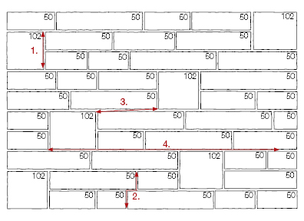

 |  |  |  |  |  | 1.800.265.8123

 |  |  |  |  |  | Links to Additional Information:
 |  |  |  |  |  | Mason's Instructions - English

 |  |  |  |  |  | Basic Arriscraft.CARE
 |  |  |  |  |  | Cuidado Basico de Arriscraft
 |  |  |  |  |  | www.arriscraft.com
 |  |  |  |  |  | ^ Internet connection required.

 | Project Notes:

OC3
Old Country (40:40:20 Bond)

 |  |  | Enter total WALL AREA* (SQFT): | 200
 |  |  | Enter percentage of OC21 with BROWN highlight^^: | 40
 |  |  | Enter waste allowance (%): | 0 |  | ^^ If the customer has selected the BROWN highlight, the standard blend has 40% of the OC21 as BROWN. These skids must be ordered separately from the base color.
 |  |  | Total (sqft): | 200

 | PRODUCT | OC21 | OC34 | OC46
 | BOND | 40% | 40% | 20% | 100% | NOTE: One PC is based on a 23-5/8" length and may be comprised of 2 or more individual stones.
 | PCS REQ'D | 186 | 125 | 48
 | PCS / SKID | 180 | 96 | 84
 | PCS / LAYER | 12 | 12 | 12
 | # SKIDS | 1 | 1 | 0
 | # LAYERS | 1 | 3 | 4
 | # PCS | 192 | 132 | 48
 | WEIGHT / SKID | 2,970 | 2,410 | 2,898
 | WEIGHT / PC | 16.5 | 25.1 | 34.5
 | 6 | total rows of OC21 BROWN
 | 10 | total rows of OC21 Base Color
 | Note: 15 rows make up 1 skid of OC21
 | Note: If Building Stone products are to be ordered outside of their standard bond ratios, special pricing may apply.
 | Please consult with your Arriscraft Sales Representative.
 |  | This combination of skids is equivalent to | 207 | square feet of Old Country Building Stone.
 |  | Mason will require approximately | 7 | 70lb. (30kg) bags of mortar mix**.
 | ** Rough estimate only. Will vary with sand, mortar composition, waste, joint finish and workmanship.
 |  | The total weight for this order is | 8,137 | lbs.

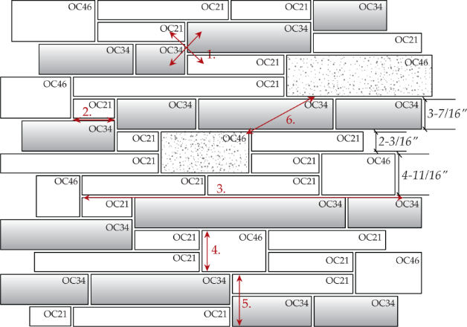

 |  |  |  |  |  |  | 1.800.265.8123

 |  |  |  |  |  |  | Links to Additional Information:
 |  |  |  |  |  |  | Mason's Instructions - English

 |  |  |  |  |  |  | Basic Arriscraft.CARE
 |  |  |  |  |  |  | Cuidado Basico de Arriscraft
 |  |  |  |  |  |  | www.arriscraft.com
 |  |  |  |  |  |  | ^ Internet connection required.

 | Project Notes:

AS3
Thin-Clad ARRIS-stack Units (30:55:15 Bond)

 |  |  | Enter total WALL AREA* (SQFT): | 200
 |  |  | Enter waste allowance (%): | 0
 |  |  | Total (sqft): | 200
 |  |  | Enter total ext vertical corners (ft): | 50

 | FLATS |  |  | CORNERS | 5 LF BOX
 | SQFT REQ'D | 200 |  | FT REQ'D | 50
 | COVERAGE (SKID) | 100 |  | COVERAGE | 5
 | COVERAGE (BOX) | 5
 | # SKIDS | 2 |  | # PKGS | 10
 | # BOXES | 0 |  | WEIGHT / PKG | 50
 | WEIGHT / SKID | 1,684
 | WEIGHT / BOX | 68

 |  | This combination of flats is equivalent to | 200 | square feet of ARRIS-stack flats.
 |  | The total weight for the flats is | 3,368 | lbs.
 |  | This quantity of boxes is equivalent to | 50 | lineal feet of ARRIS-stack corners.
 |  | The total weight for the corners is | 500 | lbs.
 |  | Mason will require approximately | 8 | 50lb. (22kg) bags of MVIS™ Hi-Bond or Thin Brick Mortar**.
 | ** Rough estimate only. Will vary with sand, mortar composition, waste, joint finish and workmanship.
 |  | The total weight for this order is | 3,868 | lbs.

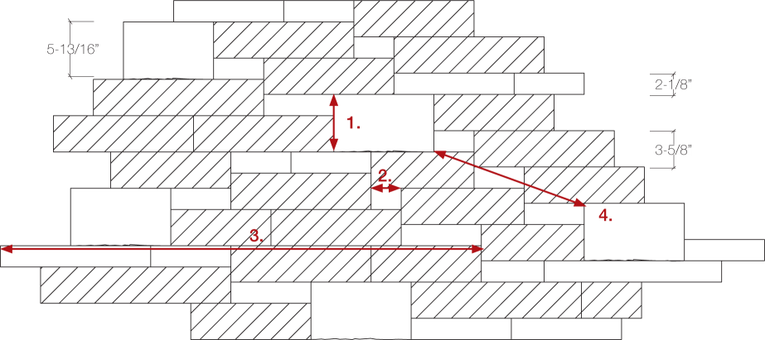

 |  |  |  |  |  | 1.800.265.8123

 |  |  |  |  |  | Links to Additional Information:
 |  |  |  |  |  | Mason's Instructions - English

 |  |  |  |  |  | ThinClad.CARE
 |  |  |  |  |  | www.arriscraft.com
 |  |  |  |  |  | ^ Internet connection required.

 | Project Notes:

COA3
Coastal Series (30:55:15 Bond)

 |  |  | Enter total WALL AREA* (SQFT): | 1,000
 |  |  | Enter waste allowance (%): | 5
 |  |  | Total (sqft): | 1,050
 |  |  | Enter total ext vertical corners (ft): | 50

 | FLATS |  |  | CORNERS |  | 5 LF BOX
 | SQFT REQ'D | 1050 |  | FT REQ'D |  | 50
 | COVERAGE (SKID) | 100 |  |  | COVERAGE | 5
 | COVERAGE (BOX) | 5
 | # SKIDS | 10 |  | # PKGS |  | 10
 | # BOXES | 10 |  | WEIGHT / PKG |  | 47
 | WEIGHT / SKID | 1,523
 | WEIGHT / BOX | 62

 |  | This combination of flats is equivalent to | 1,050 | square feet of Coastal Series flats.
 |  | The total weight for the flats is | 15,850 | lbs.
 |  | This quantity of boxes is equivalent to | 50 | lineal feet of Coastal Series corners.
 |  | The total weight for the corners is | 470 | lbs.
 |  | Mason will require approximately | 42 | 50lb. (22kg) bags of MVIS™ Hi-Bond or Thin Brick Mortar**.
 |  | Mason will require approximately | 15 | 50lb. (22kg) bags of MVIS™ Pointing Mortar**.
 | ** Rough estimate only. Will vary with sand, mortar composition, waste, joint finish and workmanship.
 |  | The total weight for this order is | 16,320 | lbs.

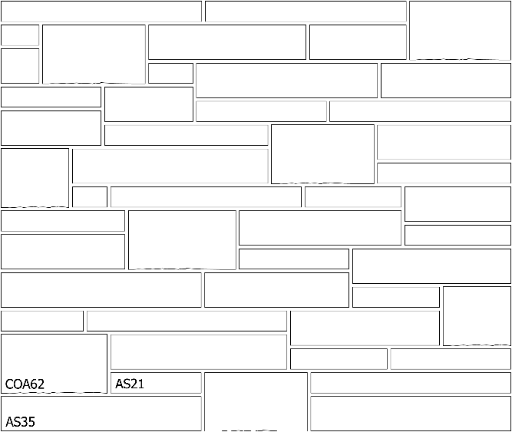

 |  |  |  |  |  |  | 1.800.265.8123

 |  |  |  |  |  |  | Links to Additional Information:
 |  |  |  |  |  |  | Mason's Instructions - English

 |  |  |  |  |  |  | ThinClad.CARE
 |  |  |  |  |  |  | www.arriscraft.com
 |  |  |  |  |  |  | ^ Internet connection required.

 | Project Notes:

MID218
Midtown 2-1/8" (Dry Stack)

 |  |  | Enter total WALL AREA* (SQFT): | 200
 |  |  | Enter waste allowance (%): | 0
 |  |  | Total (sqft): | 200
 |  |  | Enter total ext vertical corners (ft): | 50

 | FLATS |  |  | CORNERS | 5 LF BOX
 | SQFT REQ'D | 200 |  | FT REQ'D | 50
 | COVERAGE (SKID) | 100 |  | COVERAGE | 5
 | COVERAGE (BOX) | 5
 | # SKIDS | 2 |  | # PKGS | 10
 | # BOXES | 0 |  | WEIGHT / PKG | 52
 | WEIGHT / SKID | 1,670
 | WEIGHT / BOX | 83

 |  | This combination of flats is equivalent to | 200 | square feet of Midtown 2-1/8" flats.
 |  | The total weight for the flats is | 3,340 | lbs.
 |  | This quantity of boxes is equivalent to | 50 | lineal feet of Midtown 2-1/8" corners.
 |  | The total weight for the corners is | 520 | lbs.
 |  | Mason will require approximately | 8 | 50lb. (22kg) bags of MVIS™ Hi-Bond or Thin Brick Mortar**.
 | ** Rough estimate only. Will vary with sand, mortar composition, waste, joint finish and workmanship.
 |  | The total weight for this order is | 3,860 | lbs.

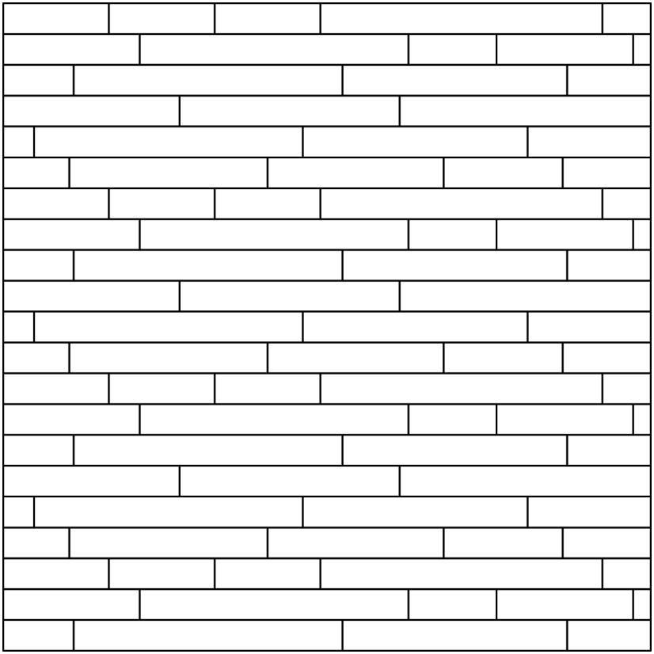

 |  |  |  |  |  | 1.800.265.8123

 |  |  |  |  |  | Links to Additional Information:
 |  |  |  |  |  | Mason's Instructions - English

 |  |  |  |  |  | ThinClad.CARE
 |  |  |  |  |  | www.arriscraft.com
 |  |  |  |  |  | ^ Internet connection required.

 | Project Notes:

MID218j
Midtown 2-1/8" (Mortar Joint)

 |  |  | Enter total WALL AREA* (SQFT): | 200
 |  |  | Enter waste allowance (%): | 0
 |  |  | Total (sqft): | 200
 |  |  | Enter total ext vertical corners (ft): | 50
 |  |  | Mortar Joint (in): | 0.375
 | Note: Adding 3/8" or 1/2" joint will increase square foot coverage.

 | FLATS |  |  | CORNERS |  | 5 LF BOX
 | SQFT REQ'D | 200 |  | FT REQ'D |  | 50
 | COVERAGE (SKID) | 119.51 |  |  | COVERAGE | 5.88
 | COVERAGE (BOX) | 5.98
 | # SKIDS | 2 |  | # PKGS |  | 9
 | # BOXES | 0 |  | WEIGHT / PKG |  | 52
 | WEIGHT / SKID | 1,670
 | WEIGHT / BOX | 83

 |  | This combination of flats is equivalent to | 239 | square feet of Midtown 2-1/8" flats.
 |  | The total weight for the flats is | 3,340 | lbs.
 |  | This quantity of boxes is equivalent to | 53 | lineal feet of Midtown 2-1/8" corners.
 |  | The total weight for the corners is | 468 | lbs.
 |  | Mason will require approximately | 10 | 50lb. (22kg) bags of MVIS™ Hi-Bond or Thin Brick Mortar**.
 |  | Mason will require approximately | 4 | 50lb. (22kg) bags of MVIS™ Pointing Mortar**.
 | ** Rough estimate only. Will vary with sand, mortar composition, waste, joint finish and workmanship.
 |  | The total weight for this order is | 3,808 | lbs.

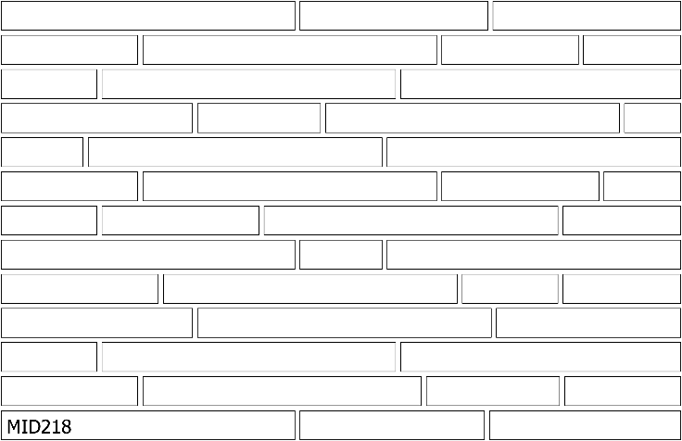

 |  |  |  |  |  |  | 1.800.265.8123

 |  |  |  |  |  |  | Links to Additional Information:
 |  |  |  |  |  |  | Mason's Instructions - English

 |  |  |  |  |  |  | ThinClad.CARE
 |  |  |  |  |  |  | www.arriscraft.com
 |  |  |  |  |  |  | ^ Internet connection required.

 | Project Notes:

MID358j
Midtown 3-5/8" (Mortar Joint)

 |  |  | Enter total WALL AREA* (SQFT): | 200
 |  |  | Enter waste allowance (%): | 0
 |  |  | Total (sqft): | 200
 |  |  | Enter total ext vertical corners (ft): | 50
 |  |  | Mortar Joint (in): | 0.375
 | Note: Adding 3/8" or 1/2" joint will increase square foot coverage.

 | FLATS |  |  | CORNERS |  | 5 LF BOX
 | SQFT REQ'D | 200 |  | FT REQ'D |  | 50
 | COVERAGE (SKID) | 119.51 |  |  | COVERAGE | 5.52
 | COVERAGE (BOX) | 5.98
 | # SKIDS | 2 |  | # PKGS |  | 10
 | # BOXES | 0 |  | WEIGHT / PKG |  | 48
 | WEIGHT / SKID | 1,510
 | WEIGHT / BOX | 75

 |  | This combination of flats is equivalent to | 239 | square feet of Midtown 3-5/8" flats.
 |  | The total weight for the flats is | 3,020 | lbs.
 |  | This quantity of boxes is equivalent to | 55 | lineal feet of Midtown 3-5/8" corners.
 |  | The total weight for the corners is | 480 | lbs.
 |  | Mason will require approximately | 10 | 50lb. (22kg) bags of MVIS™ Hi-Bond or Thin Brick Mortar**.
 |  | Mason will require approximately | 4 | 50lb. (22kg) bags of MVIS™ Pointing Mortar**.
 | ** Rough estimate only. Will vary with sand, mortar composition, waste, joint finish and workmanship.
 |  | The total weight for this order is | 3,500 | lbs.

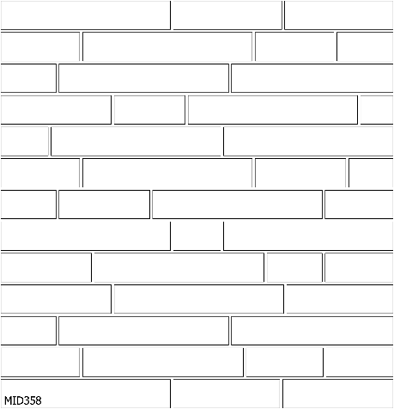

 |  |  |  |  |  |  | 1.800.265.8123

 |  |  |  |  |  |  | Links to Additional Information:
 |  |  |  |  |  |  | Mason's Instructions - English

 |  |  |  |  |  |  | ThinClad.CARE
 |  |  |  |  |  |  | www.arriscraft.com
 |  |  |  |  |  |  | ^ Internet connection required.

 | Project Notes:

CD3b
Citadel® - 3 Unit (25:50:25 Bond) NO CIT36

 |  |  | Enter total WALL AREA* (SQFT): | 200
 |  |  | Enter waste allowance (%): | 0
 |  |  | Total (sqft): | 200

 | PRODUCT | CIT23 | CIT52 | CIT81
 | BOND | 25% | 50% | 25% | 100%
 | PCS REQ'D | 104 | 104 | 35 |  | NOTE: One PC is based on a 23-5/8" length and may be comprised of 2 or more individual stones.
 | PCS / SKID | 180 | 70 | 40
 | PCS / LAYER | 12 | 10 | 10
 | # SKIDS | 0 | 1 | 1
 | # LAYERS | 9 | 4 | 0
 | # PCS | 108 | 110 | 40
 | WEIGHT / SKID | 2,738 | 2,871 | 2,399
 | WEIGHT / PC | 15.21 | 41.01 | 59.98

 | Note: If Building Stone products are to be ordered outside of their standard bond ratios, special pricing may apply.
 | Please consult with your Arriscraft Sales Representative.
 |  | This combination of skids is equivalent to | 215 | square feet of Citadel® Building Stone.
 |  | Mason will require approximately | 7 | 70lb. (30kg) bags of mortar mix**.
 | ** Rough estimate only. Will vary with sand, mortar composition, waste, joint finish and workmanship.
 |  | The total weight for this order is | 8,553 | lbs.
NOTE: When the CIT36 size is omitted from the wall, the overall range of color may be changed.

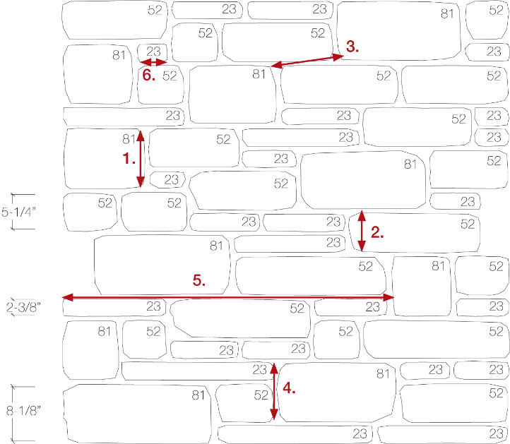
 |  |  |  |  |  |  | 1.800.265.8123

 |  |  |  |  |  |  | Links to Additional Information:
 |  |  |  |  |  |  | Mason's Instructions - English

 |  |  |  |  |  |  | Basic Arriscraft.CARE
 |  |  |  |  |  |  | Cuidado Basico de Arriscraft
 |  |  |  |  |  |  | www.arriscraft.com
 |  |  |  |  |  |  | ^ Internet connection required.

 | Project Notes:

CD4
Citadel® - 4 Unit (20:20:40:20 Bond)

 |  |  | Enter total WALL AREA* (SQFT): | 336
 |  |  | Enter waste allowance (%): | 0
 |  |  | Total (sqft): | 336

 | PRODUCT | CIT/FRE23 | CIT36 | CIT52 | CIT81
 | BOND | 20% | 20% | 40% | 20% | 100%
 | PCS REQ'D | 140 | 93 | 140 | 46 | NOTE: One PC is based on a 23-5/8" length and may be comprised of 2 or more individual stones.
 | PCS / SKID | 180 | 84 | 70 | 40
 | PCS / LAYER | 12 | 10.5 | 10 | 10
 | # SKIDS | 0 | 1 | 2 | 1
 | # LAYERS | 12 | 1 | 0 | 1
 | # PCS | 144 | 95 | 140 | 50
 | WEIGHT / SKID | 2,738 | 2,426 | 2,871 | 2,399
 | WEIGHT / PC | 15.21 | 28.89 | 41.01 | 59.98

 | Note: If Building Stone products are to be ordered outside of their standard bond ratios, special pricing may apply.
 | Please consult with your Arriscraft Sales Representative.
 |  | This combination of skids is equivalent to | 344 | square feet of Citadel® Building Stone.
 |  | Mason will require approximately | 11 | 70lb. (30kg) bags of mortar mix**.
 | ** Rough estimate only. Will vary with sand, mortar composition, waste, joint finish and workmanship.
 |  | The total weight for this order is | 13,675 | lbs.

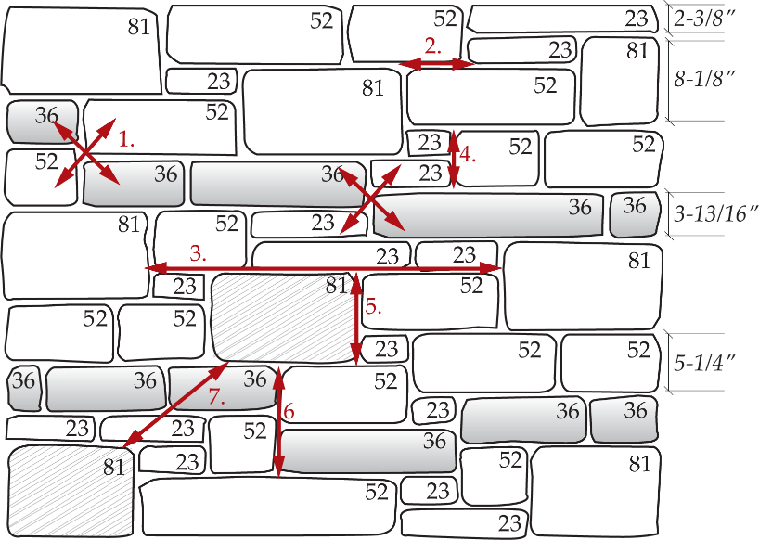

 |  |  |  |  |  |  | 1.800.265.8123

 |  |  |  |  |  |  | Links to Additional Information:
 |  |  |  |  |  |  | Mason's Instructions - English

 |  |  |  |  |  |  | Basic Arriscraft.CARE
 |  |  |  |  |  |  | Cuidado Basico de Arriscraft
 |  |  |  |  |  |  | www.arriscraft.com
 |  |  |  |  |  |  | ^ Internet connection required.

 | Project Notes:

ER2
Edge Rock (75:25 Bond)
...
 | Note: If Building Stone products are to be ordered outside of their standard bond ratios, special pricing may apply.
 | Please consult with your Arriscraft Sales Representative.
 |  | This combination of skids is equivalent to | 1,077 | square feet of Edge Rock Building Stone.
 |  | Mason will require approximately | 31 | 70lb. (30kg) bags of mortar mix**.
 | ** Rough estimate only. Will vary with sand, mortar composition, waste, joint finish and workmanship.
 |  | The total weight for this order is | 39,343 | lbs.

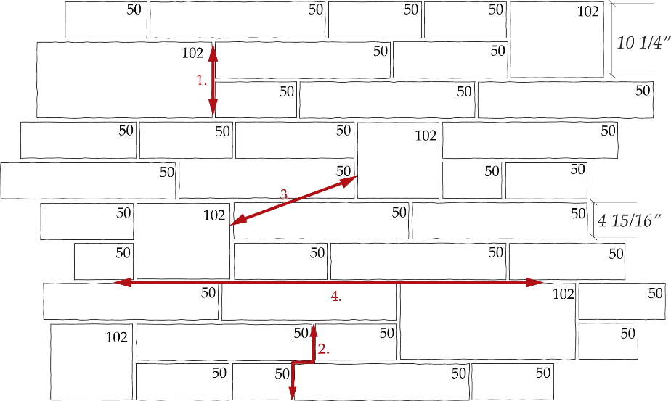

 |  |  |  |  | 1.800.265.8123

 |  |  |  |  | Links to Additional Information:
 |  |  |  |  | Mason's Instructions - English

 |  |  |  |  | Basic Arriscraft.CARE
 |  |  |  |  | Cuidado Basico de Arriscraft
 |  |  |  |  | www.arriscraft.com
 |  |  |  |  | ^ Internet connection required.

 | Project Notes:

LR3
...
Note: Onyx price is only applicable if ordered in standard bond ratio.
Note: Honey Brown/Maple Sugar Blend includes LAU23 and LAU52 Maple Sugar + LAU81 Honey Brown.
Note: If Building Stone products are to be ordered outside of their standard bond ratios, special pricing may apply.
Please consult with your Arriscraft Sales Representative.
 | This combination of skids is equivalent to | 208 | square feet of Laurier Building Stone.
 | Mason will require approximately | 6 | 70lb. (30kg) bags of mortar mix**.
** Rough estimate only. Will vary with sand, mortar composition, waste, joint finish and workmanship.
 | The total weight for this order is | 8,404 | lbs.

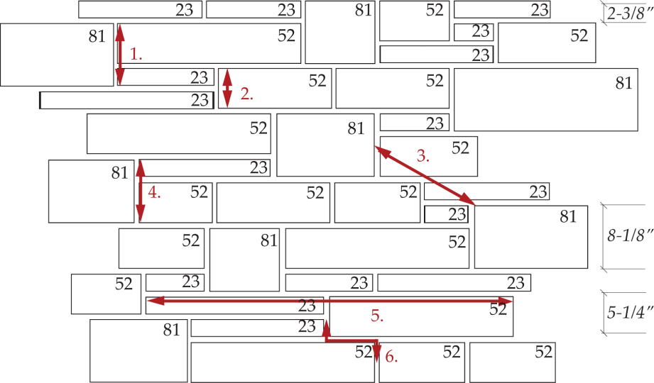

 |  |  |  | 1.800.265.8123

 |  |  |  | Links to Additional Information:
 |  |  |  | Mason's Instructions - English

 |  |  |  | Basic Arriscraft.CARE
 |  |  |  | Cuidado Basico de Arriscraft
 |  |  |  | www.arriscraft.com
 |  |  |  | ^ Internet connection required.

Project Notes:

LR4
...
Note: Onyx price is only applicable if ordered in standard bond ratio.
Note: Mosaic Blend includes LAU11 Ivory White.
Note: Honey Brown/Maple Sugar Blend includes LAU23 and LAU52 Maple Sugar + LAU81 Honey Brown.
Note: If Building Stone products are to be ordered outside of their standard bond ratios, special pricing may apply.
Please consult with your Arriscraft Sales Representative.
 | This combination of skids is equivalent to | 219 | square feet of Laurier Building Stone.
 | Mason will require approximately | 6 | 70lb. (30kg) bags of mortar mix**.
** Rough estimate only. Will vary with sand, mortar composition, waste, joint finish and workmanship.
 | The total weight for this order is | 9,126 | lbs.

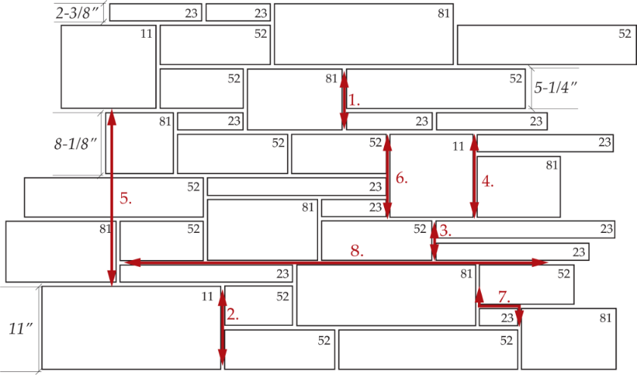

 |  |  |  | 1.800.265.8123

 |  |  |  | Links to Additional Information:
 |  |  |  | Mason's Instructions - English

 |  |  |  | Basic Arriscraft.CARE
 |  |  |  | Cuidado Basico de Arriscraft
 |  |  |  | www.arriscraft.com
 |  |  |  | ^ Internet connection required.

Project Notes:

MET3a
...
Note: If Building Stone products are to be ordered outside of their standard bond ratios, special pricing may apply.
Please consult with your Arriscraft Sales Representative.
 | This combination of skids is equivalent to | 215 | square feet of Metropolitan Building Stone.
 | Mason will require approximately | 6 | 70lb. (30kg) bags of mortar mix**.
** Rough estimate only. Will vary with sand, mortar composition, waste, joint finish and workmanship.
 | The total weight for this order is | 8,446 | lbs.
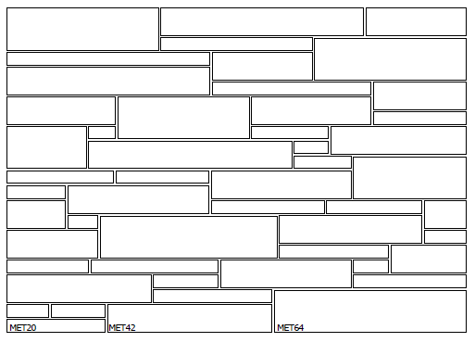

 |  |  |  | 1.800.265.8123

 |  |  |  | Links to Additional Information:
 |  |  |  | Mason's Instructions - English

 |  |  |  | Basic Arriscraft.CARE
 |  |  |  | Cuidado Basico de Arriscraft
 |  |  |  | www.arriscraft.com
 |  |  |  | ^ Internet connection required.

Project Notes:

SH2
...
Note: If Building Stone products are to be ordered outside of their standard bond ratios, special pricing may apply.
Please consult with your Arriscraft Sales Representative.
 | This combination of skids is equivalent to | 216 | square feet of Shadow Stone® Building Stone.
 | Mason will require approximately | 6 | 70lb. (30kg) bags of mortar mix**.
** Rough estimate only. Will vary with sand, mortar composition, waste, joint finish and workmanship.
 | The total weight for this order is | 7,758 | lbs.

 |  |  |  | 1.800.265.8123
SHA/UL22
SHA/UL50
 |  |  |  | Links to Additional Information:
 |  |  |  | Mason's Instructions - English

 |  |  |  | Basic Arriscraft.CARE
 |  |  |  | Cuidado Basico de Arriscraft
 |  |  |  | www.arriscraft.com
 |  |  |  | ^ Internet connection required.
...

SH3
...
PRODUCT | SHA/UL22 | SHAUL50 | SHA75S
WEIGHT / SKID | 2,917 | 3,285 | 2,545
WEIGHT / PC | 16.21 | 42.12 | 48.95

Note: If Building Stone products are to be ordered outside of their standard bond ratios, special pricing may apply.
Please consult with your Arriscraft Sales Representative.
 | This combination of skids is equivalent to | 220 | square feet of Shadow Stone® Building Stone.
 | Mason will require approximately | 6 | 70lb. (30kg) bags of mortar mix**.
** Rough estimate only. Will vary with sand, mortar composition, waste, joint finish and workmanship.
 | The total weight for this order is | 7,934 | lbs.
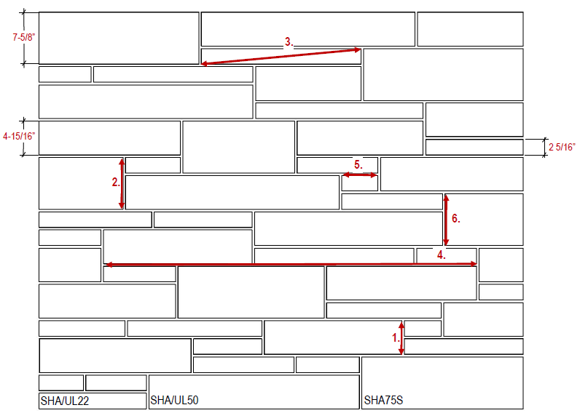

 |  |  |  | 1.800.265.8123

 |  |  |  | Links to Additional Information:
 |  |  |  | Mason's Instructions - English

 |  |  |  | Basic Arriscraft.CARE
 |  |  |  | Cuidado Basico de Arriscraft
 |  |  |  | www.arriscraft.com
 |  |  |  | ^ Internet connection required.

Project Notes:

SH4
...
PRODUCT | SHA/UL22 | SHA/UL50 | SHA75S | EDG102
WEIGHT / SKID | 2,917 | 3,285 | 2,545 | 2,717
WEIGHT / PC | 16.21 | 42.12 | 48.95 | 69.68

Note: If Building Stone products are to be ordered outside of their standard bond ratios, special pricing may apply.
Please consult with your Arriscraft Sales Representative.
 | This combination of skids is equivalent to | 204 | square feet of Shadow Stone® Building Stone.
 | Mason will require approximately | 6 | 70lb. (30kg) bags of mortar mix**.
** Rough estimate only. Will vary with sand, mortar composition, waste, joint finish and workmanship.
 | The total weight for this order is | 8,292 | lbs.
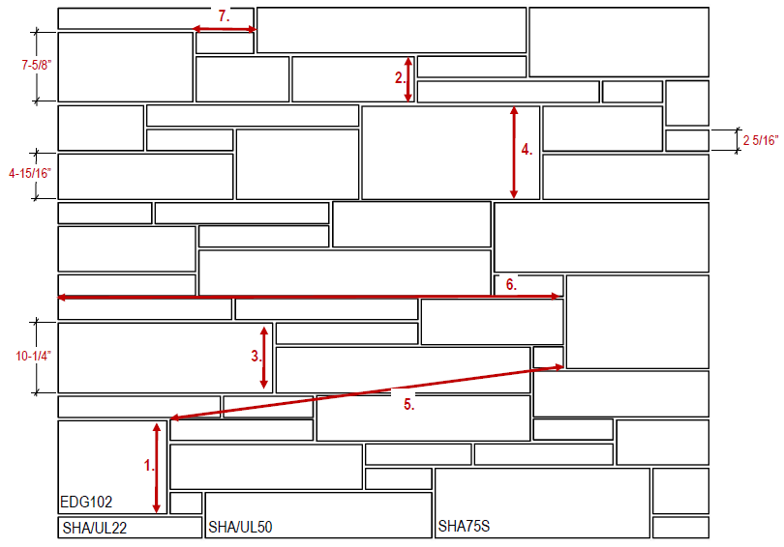

 |  |  |  |  | 1.800.265.8123

 |  |  |  |  | Links to Additional Information:
 |  |  |  |  | Mason's Instructions - English

 |  |  |  |  | Basic Arriscraft.CARE
 |  |  |  |  | Cuidado Basico de Arriscraft
 |  |  |  |  | www.arriscraft.com
 |  |  |  |  | ^ Internet connection required.

Project Notes:

SH4b
...
PRODUCT | SHA/UL22 | UL35 | SHA/UL50 | SHA75S
WEIGHT / SKID | 2,917 | 3,462 | 3,285 | 2,545
WEIGHT / PC | 16.21 | 33.29 | 42.12 | 48.95

Note: If Building Stone products are to be ordered outside of their standard bond ratios, special pricing may apply.
Please consult with your Arriscraft Sales Representative.
 | This combination of skids is equivalent to | 181 | square feet of Shadow Stone® Building Stone.
 | Mason will require approximately | 5 | 70lb. (30kg) bags of mortar mix**.
** Rough estimate only. Will vary with sand, mortar composition, waste, joint finish and workmanship.
 | The total weight for this order is | 8,481 | lbs.
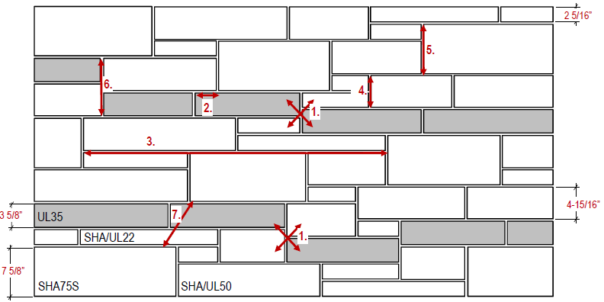

 |  |  |  |  | 1.800.265.8123

 |  |  |  |  | Links to Additional Information:
 |  |  |  |  | Mason's Instructions - English

 |  |  |  |  | Basic Arriscraft.CARE
 |  |  |  |  | Cuidado Basico de Arriscraft
 |  |  |  |  | www.arriscraft.com
 |  |  |  |  | ^ Internet connection required.

Project Notes:

SH5
...
PRODUCT | SHA/UL22 | UL35 | SHA/UL50 | SHA75S | EDG102
WEIGHT / PC | 15.21 | 33.29 | 41.01 | 59.98 | 81.14

Note: If Building Stone products are to be ordered outside of their standard bond ratios, special pricing may apply.
Please consult with your Arriscraft Sales Representative.
 | This combination of skids is equivalent to | 234 | square feet of Shadow Stone® Building Stone.
 | Mason will require approximately | 8 | 70lb. (30kg) bags of mortar mix**.
** Rough estimate only. Will vary with sand, mortar composition, waste, joint finish and workmanship.
 | The total weight for this order is | 9,054 | lbs.

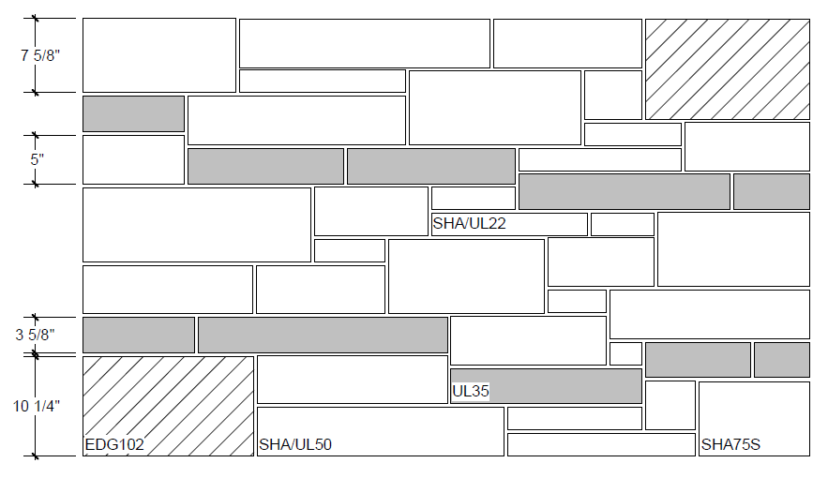

 |  |  |  |  |  | 1.800.265.8123

 |  |  |  |  |  | Links to Additional Information:
 |  |  |  |  |  | Mason's Instructions - English

 |  |  |  |  |  | Basic Arriscraft.CARE
 |  |  |  |  |  | Cuidado Basico de Arriscraft
 |  |  |  |  |  | www.arriscraft.com
 |  |  |  |  |  | ^ Internet connection required.

Project Notes:

UL3a
...
PRODUCT | SHA/UL22 | UL35 | SHA/UL50
WEIGHT / SKID | 3,691 | 3,462 | 3,371
WEIGHT / PC | 20.51 | 33.29 | 43.22

Note: If Building Stone products are to be ordered outside of their standard bond ratios, special pricing may apply.
Please consult with your Arriscraft Sales Representative.
 | This combination of skids is equivalent to | 209 | square feet of Urban Ledgestone.
 | Mason will require approximately | 6 | 70lb. (30kg) bags of mortar mix**.
** Rough estimate only. Will vary with sand, mortar composition, waste, joint finish and workmanship.
 | The total weight for this order is | 7,742 | lbs.
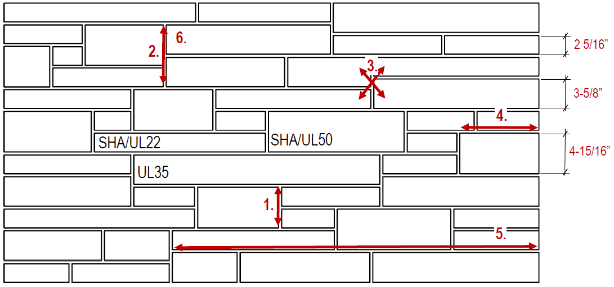

 |  |  |  | 1.800.265.8123

 |  |  |  | Links to Additional Information:
 |  |  |  | Mason's Instructions - English
 |  |  |  | Pierre de Construction Urbaine
 |  |  |  | Basic Arriscraft.CARE
 |  |  |  | Cuidado Basico de Arriscraft
 |  |  |  | www.arriscraft.com
 |  |  |  | ^ Internet connection required.

Project Notes:

UL3c
...
PRODUCT | SHA/UL22 | UL35 | SHA/UL50
WEIGHT / SKID | 2,918 | 3,462 | 3,285
WEIGHT / PC | 16.21 | 33.29 | 42.12

Note: If Building Stone products are to be ordered outside of their standard bond ratios, special pricing may apply.
Please consult with your Arriscraft Sales Representative.
 | This combination of skids is equivalent to | 205 | square feet of Urban Ledgestone.
 | Mason will require approximately | 6 | 70lb. (30kg) bags of mortar mix**.
** Rough estimate only. Will vary with sand, mortar composition, waste, joint finish and workmanship.
 | The total weight for this order is | 7,146 | lbs.
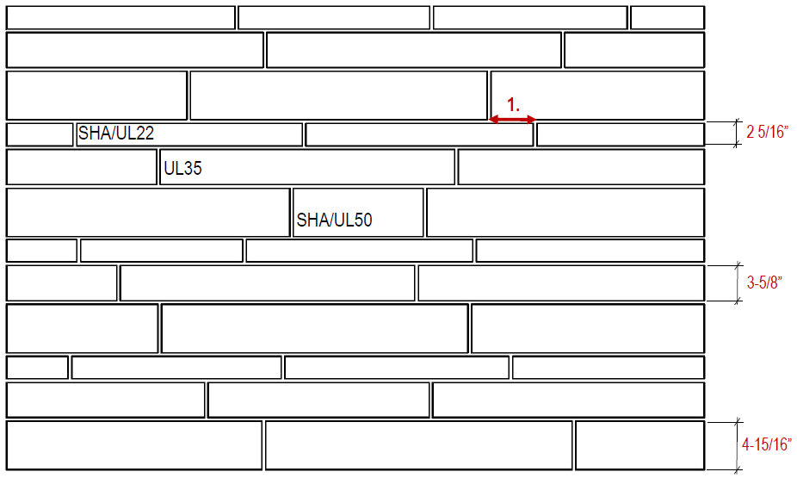

 |  |  |  | 1.800.265.8123

 |  |  |  | Links to Additional Information:
 |  |  |  | Mason's Instructions - English
 |  |  |  | Pierre de Construction Urbaine
 |  |  |  | Basic Arriscraft.CARE
 |  |  |  | Cuidado Basico de Arriscraft
 |  |  |  | www.arriscraft.com
 |  |  |  | ^ Internet connection required.

Project Notes:

GB2
...
PRODUCT | AGB50 | AGB103
WEIGHT / PC | 38.9 | 92.7

Note: If Building Stone products are to be ordered outside of their standard bond ratios, special pricing may apply.
Please consult with your Arriscraft Sales Representative.
 | This combination of skids is equivalent to | 214 | square feet of Georgian Blend Adair® Limestone.
 | Mason will require approximately | 6 | 70lb. (30kg) bags of mortar mix**.
** Rough estimate only. Will vary with sand, mortar composition, waste, joint finish and workmanship.
 | The total weight for this order is | 9,783 | lbs.

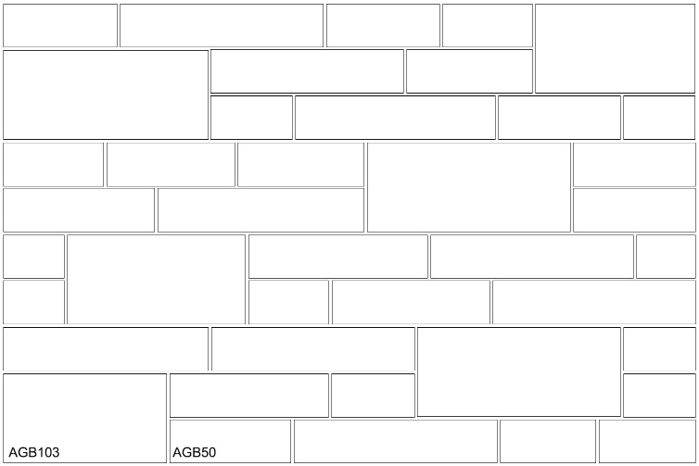

 |  |  |  | 1.800.265.8123

 |  |  |  | Links to Additional Information:
 |  |  |  | Mason's Instructions - English

 |  |  |  | Basic Arriscraft.CARE
 |  |  |  | Cuidado Basico de Arriscraft
 |  |  |  | www.arriscraft.com
 |  |  |  | ^ Internet connection required.

Project Notes:

GB3
...
PRODUCT | AGB22 | AGB50 | AGB75
WEIGHT / SKID | 2,952 | 3,268 | 3,372
WEIGHT / PC | 16.4 | 38.9 | 61.3

Note: If Building Stone products are to be ordered outside of their standard bond ratios, special pricing may apply.
Please consult with your Arriscraft Sales Representative.
 | This combination of skids is equivalent to | 207 | square feet of Georgian Blend Adair® Limestone.
 | Mason will require approximately | 6 | 70lb. (30kg) bags of mortar mix**.
** Rough estimate only. Will vary with sand, mortar composition, waste, joint finish and workmanship.
 | The total weight for this order is | 8,961 | lbs.
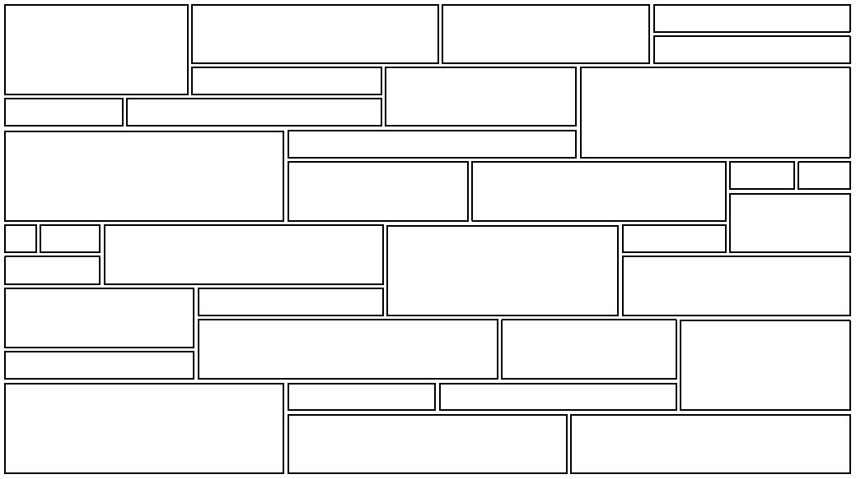

 |  |  |  | 1.800.265.8123

 |  |  |  | Links to Additional Information:
 |  |  |  | Mason's Instructions - English

AGB22
 |  |  |  | Basic Arriscraft.CARE
 |  |  |  | Cuidado Basico de Arriscraft
 |  |  |  | www.arriscraft.com
 |  |  |  | ^ Internet connection required.

AGB75
AGB50

Project Notes:

GB4
...
PRODUCT | AGB22 | AGB50 | AGB75 | AGB103
WEIGHT / SKID | 2,952 | 3,268 | 3,372 | 2,783
WEIGHT / PC | 16.4 | 38.9 | 61.3 | 92.7

Note: If Building Stone products are to be ordered outside of their standard bond ratios, special pricing may apply.
Please consult with your Arriscraft Sales Representative.
 | This combination of skids is equivalent to | 226 | square feet of Georgian Blend Adair® Limestone.
 | Mason will require approximately | 6 | 70lb. (30kg) bags of mortar mix**.
** Rough estimate only. Will vary with sand, mortar composition, waste, joint finish and workmanship.
 | The total weight for this order is | 10,129 | lbs.
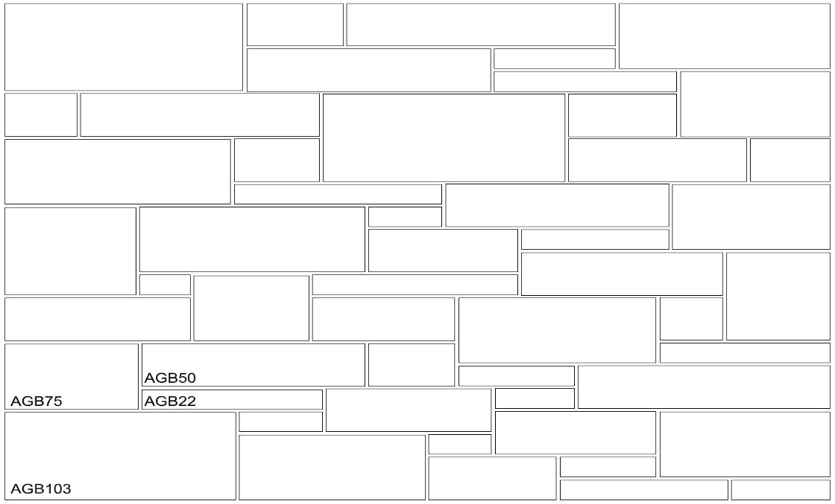

 |  |  |  |  | 1.800.265.8123

 |  |  |  |  | Links to Additional Information:
 |  |  |  |  | Mason's Instructions - English

 |  |  |  |  | Basic Arriscraft.CARE
 |  |  |  |  | Cuidado Basico de Arriscraft
 |  |  |  |  | www.arriscraft.com
 |  |  |  |  | ^ Internet connection required.

Project Notes:

GB4_start
...
PRODUCT | AGB22 | START | AGB50 | AGB75
WEIGHT / PC | 16.4 | 29.96 | 38.9 | 61.3

Note: If Building Stone products are to be ordered outside of their standard bond ratios, special pricing may apply.
Please consult with your Arriscraft Sales Representative.
 | This combination of skids is equivalent to | 217 | square feet of Georgian Blend Adair® Limestone.
 | Mason will require approximately | 6 | 70lb. (30kg) bags of mortar mix**.
** Rough estimate only. Will vary with sand, mortar composition, waste, joint finish and workmanship.
 | The total weight for this order is | 9,403 | lbs.

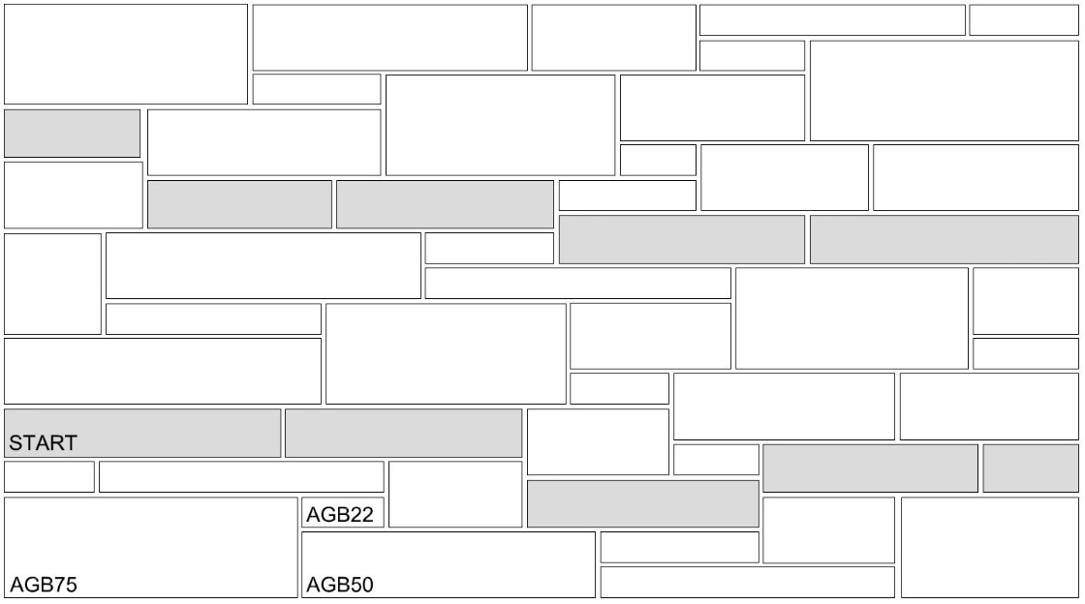

 |  |  |  |  | 1.800.265.8123

 |  |  |  |  | Links to Additional Information:
 |  |  |  |  | Mason's Instructions - English

 |  |  |  |  | Basic Arriscraft.CARE
 |  |  |  |  | Cuidado Basico de Arriscraft
 |  |  |  |  | www.arriscraft.com
 |  |  |  |  | ^ Internet connection required.

Project Notes:

GB5
...
PRODUCT | AGB22 | START | AGB50 | AGB75 | AGB103
WEIGHT / PC | 16.4 | 29.96 | 38.9 | 61.3 | 92.7

Note: If Building Stone products are to be ordered outside of their standard bond ratios, special pricing may apply.
Please consult with your Arriscraft Sales Representative.
 | This combination of skids is equivalent to | 236 | square feet of Georgian Blend Adair® Limestone.
 | Mason will require approximately | 7 | 70lb. (30kg) bags of mortar mix**.
** Rough estimate only. Will vary with sand, mortar composition, waste, joint finish and workmanship.
 | The total weight for this order is | 10,666 | lbs.

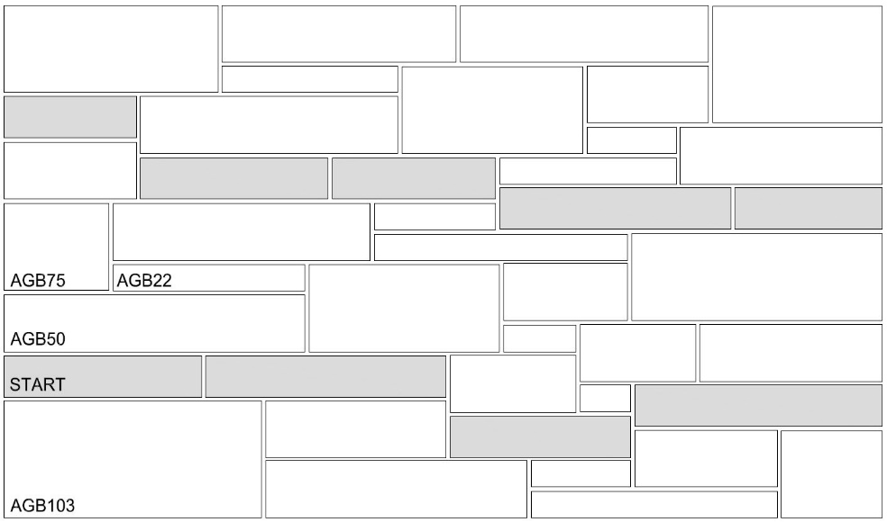

 |  |  |  |  |  | 1.800.265.8123

 |  |  |  |  |  | Links to Additional Information:
 |  |  |  |  |  | Mason's Instructions - English

 |  |  |  |  |  | Basic Arriscraft.CARE
 |  |  |  |  |  | Cuidado Basico de Arriscraft
 |  |  |  |  |  | www.arriscraft.com
 |  |  |  |  |  | ^ Internet connection required.

Project Notes:

AP3a
...
PRODUCT | AP35 | AP75 | AP115
WEIGHT / SKID | 3,665 | 3,854 | 3,508
WEIGHT / PC | 15.3 | 32.1 | 48.7

Note: If Building Stone products are to be ordered outside of their standard bond ratios, special pricing may apply.
Please consult with your Arriscraft Sales Representative.
 | This combination of skids is equivalent to | 0 | square feet of Parliament Adair® Limestone.
 | Mason will require approximately | 0 | 70lb. (30kg) bags of mortar mix**.
** Rough estimate only. Will vary with sand, mortar composition, waste, joint finish and workmanship.
 | The total weight for this order is | 0 | lbs.
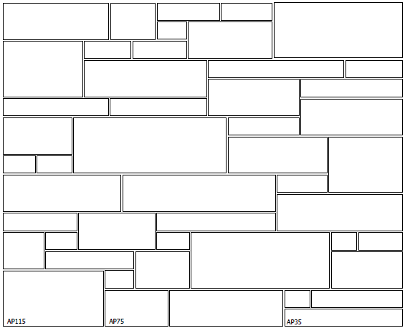

 |  |  |  | 1.800.265.8123

 |  |  |  | Links to Additional Information:
 |  |  |  | Mason's Instructions - English

 |  |  |  | Basic Arriscraft.CARE
 |  |  |  | Cuidado Basico de Arriscraft
 |  |  |  | www.arriscraft.com
 |  |  |  | ^ Internet connection required.

Project Notes:

AP3c
...
PRODUCT | AP35 | AP75 | AP115
WEIGHT / SKID | 3,665 | 3,854 | 3,508
WEIGHT / PC | 15.3 | 32.1 | 48.7

Note: If Building Stone products are to be ordered outside of their standard bond ratios, special pricing may apply.
Please consult with your Arriscraft Sales Representative.
 | This combination of skids is equivalent to | #DIV/0! | square feet of Parliament Adair® Limestone.
 | Mason will require approximately | #DIV/0! | 70lb. (30kg) bags of mortar mix**.
** Rough estimate only. Will vary with sand, mortar composition, waste, joint finish and workmanship.
 | The total weight for this order is | #DIV/0! | lbs.
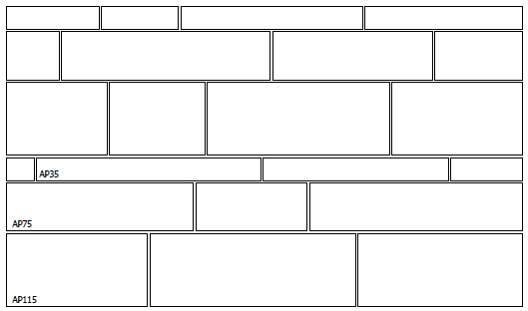

 |  |  |  | 1.800.265.8123

 |  |  |  | Links to Additional Information:
 |  |  |  | Mason's Instructions - English

 |  |  |  | Basic Arriscraft.CARE
 |  |  |  | Cuidado Basico de Arriscraft
 |  |  |  | www.arriscraft.com
 |  |  |  | ^ Internet connection required.

Project Notes:

AST3a
...
PRODUCT | AST22 | AST50 | AST75
WEIGHT / SKID | 2,604 | 2,628 | 2,863
WEIGHT / PC | 28.9 | 62.6 | 95.4

Note: If Building Stone products are to be ordered outside of their standard bond ratios, special pricing may apply.
Please consult with your Arriscraft Sales Representative.
 | This combination of skids is equivalent to | 265 | square feet of Studio Adair® Limestone.
 | Mason will require approximately | 8 | 70lb. (30kg) bags of mortar mix**.
** Rough estimate only. Will vary with sand, mortar composition, waste, joint finish and workmanship.
 | The total weight for this order is | 12,341 | lbs.
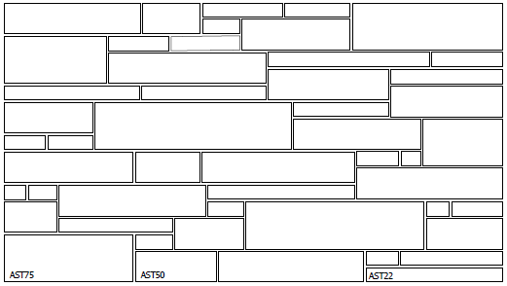

 |  |  |  | 1.800.265.8123

 |  |  |  | Links to Additional Information:
 |  |  |  | Mason's Instructions - English

 |  |  |  | Basic Arriscraft.CARE
 |  |  |  | Cuidado Basico de Arriscraft
 |  |  |  | www.arriscraft.com
 |  |  |  | ^ Internet connection required.

Project Notes:

AST3c
...
PRODUCT | AST22 | AST50 | AST75
WEIGHT / SKID | 2,604 | 2,628 | 2,863
WEIGHT / PC | 28.9 | 62.6 | 95.4

Note: If Building Stone products are to be ordered outside of their standard bond ratios, special pricing may apply.
Please consult with your Arriscraft Sales Representative.
 | This combination of skids is equivalent to | 217 | square feet of Studio Adair® Limestone.
 | Mason will require approximately | 6 | 70lb. (30kg) bags of mortar mix**.
** Rough estimate only. Will vary with sand, mortar composition, waste, joint finish and workmanship.
 | The total weight for this order is | 10,093 | lbs.
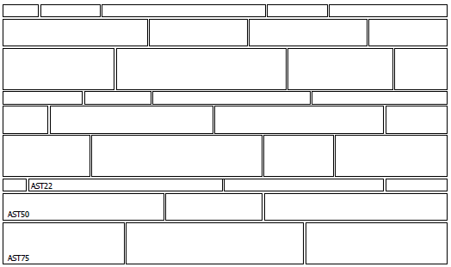

 |  |  |  | 1.800.265.8123

 |  |  |  | Links to Additional Information:
 |  |  |  | Mason's Instructions - English

 |  |  |  | Basic Arriscraft.CARE
 |  |  |  | Cuidado Basico de Arriscraft
 |  |  |  | www.arriscraft.com
 |  |  |  | ^ Internet connection required.

Project Notes:

ALSB23
...
PRODUCT | CON31
WEIGHT / SKID | 2,821
WEIGHT / PC | 18.08

 | This combination of skids is equivalent to | 203 | square feet of Architectural Linear Series Brick
 | Mason will require approximately | 7 | 70lb. (30kg) bags of mortar mix**.
** Rough estimate only. Will vary with sand, mortar composition, waste, joint finish and workmanship.
 | The total weight for this order is | 8,028 | lbs.

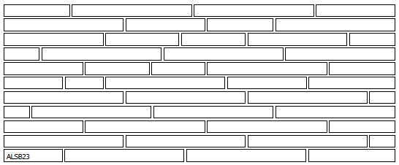
 |  |  |  | 1.800.265.8123

 |  |  |  | Links to Additional Information:

 |  |  |  | Basic Arriscraft.CARE
 |  |  |  | Cuidado Basico de Arriscraft
 |  |  |  | www.arriscraft.com
 |  |  |  | ^ Internet connection required.

Project Notes:

CON31
...
PRODUCT | CON31
# PCS | 273
WEIGHT / SKID | 3,119
WEIGHT / PC | 26.66

 | This combination of skids is equivalent to | 207 | square feet of Contemporary Brick
 | Mason will require approximately | 6 | 70lb. (30kg) bags of mortar mix**.
** Rough estimate only. Will vary with sand, mortar composition, waste, joint finish and workmanship.
 | The total weight for this order is | 7,278 | lbs.

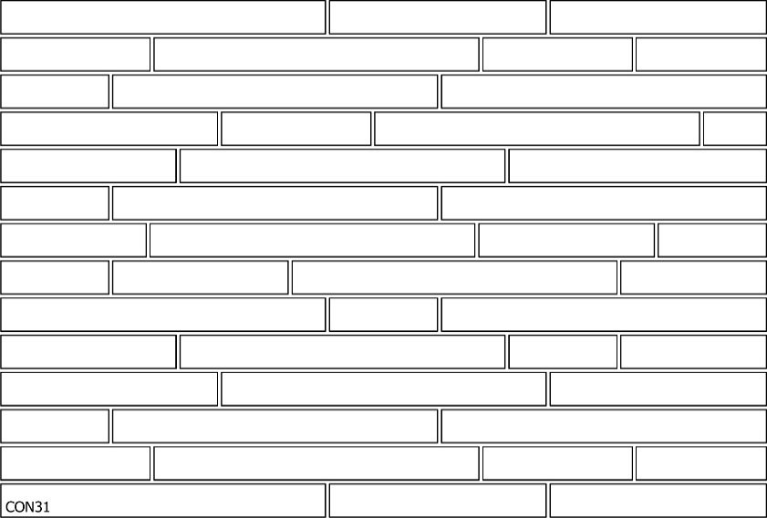

 |  |  |  | 1.800.265.8123

 |  |  |  | Links to Additional Information:

 |  |  |  | Basic Arriscraft.CARE
 |  |  |  | Cuidado Basico de Arriscraft
 |  |  |  | www.arriscraft.com
 |  |  |  | ^ Internet connection required.

Project Notes:

TVB31
...
PRODUCT | TVB31
# PCS | 798
WEIGHT / SKID | 3,039
WEIGHT / PC | 8.88615

 | This combination of skids is equivalent to | 204 | square feet of Tumbled Vintage Brick.
 | Mason will require approximately | 7 | 70lb. (30kg) bags of mortar mix**.
** Rough estimate only. Will vary with sand, mortar composition, waste, joint finish and workmanship.
 | The total weight for this order is | 7,091 | lbs.

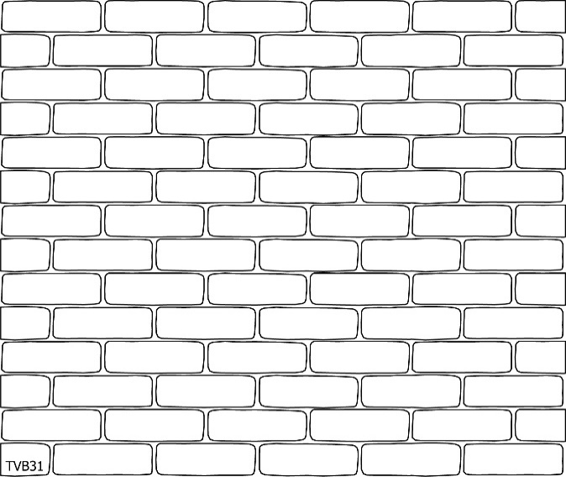

 |  |  |  | 1.800.265.8123

 |  |  |  | Links to Additional Information:

 |  |  |  | Basic Arriscraft.CARE
 |  |  |  | Cuidado Basico de Arriscraft
 |  |  |  | www.arriscraft.com
 |  |  |  | ^ Internet connection required.

Project Notes:

